How to Use this Workbook
619 Child Outcomes Data Completeness Calculator

 | Purpose
 | The calculator supports Part B 619 state program staff in their examination of the completeness of child outcomes data. The calculator shows the completeness percentages for LEAs and identifies LEAs that are over or under the expected range.

 | Introduction | Ideal Completeness Percentage
 | The SPP/APR reporting Indicator 7, Child Outcomes requires that states report data on all children exiting the program with at least 6 months of services during a state defined 12-month period. One indicator of data quality is whether the state has reported outcomes data on all of these children. Ideally, a state could examine the completeness of its child outcomes data by dividing the total number of children with outcomes data by the total number of children exiting the preschool special education program with at least 6 months of service. However, some states are not able to compute this because the state does not have data on the number of children who exited from preschool special education. As an alternative, states can use their 3 – 5 Child Count as the denominator to compute a check on data completeness. | # with complete preschool outcomes data
 |  | # exiting preschool special education program >= 6 months of service

 |  | Alternate Completeness Percentage
 |  | # with complete preschool outcomes data
 |  | 3 – 5 Child Count

 | This tool creates a completeness metric that is the number of children with child outcomes data divided by the 3 - 5 child count. Based on a review of multiple years of state level data, we identified a targeted range of 26% to 49% for this metric. This means that ideally states should be reporting indicator 7 data on between 26% and 49% of their child count. Percentages that are below 26% or above 49% could be an indicator of a data quality issue. This same range can be used to identify local programs with possible completeness issues. Additional information should be examined for local programs with data outside of the target range to determine whether there are problems with the data collection. Please note that local programs serving very small numbers of children may have a completeness percentage that is outside the recommended range, but additional review could determine that their percentages are accurate. The calculator is designed to support state staff in monitoring data completeness across programs. States can use the reports to identify programs reporting on a low percentage of their 3 – 5 child count and work with those programs to determine what is causing the low outcome numbers. States can also look across programs to see what proportion of programs report low percentages of the 3-5 child count. If many programs report low percentages, the state may need to implement a statewide strategy to improve completeness. If a few programs report low percentages, the state can implement a more targeted strategy to improving quality.

 | A key for interpreting the completeness percentages is provided in the Enter Data worksheet. The key is color-coded for different levels of child outcomes completeness:

 | General Directions
 | Directions for entering data are provided at the top of the Enter Data Worksheet.
 | You can enter data only in cells with light yellow background. Other cells are locked.
 | You can Copy and Paste Values from other data sources.
 | Please do not click and drag a cell or the contents of a cell to a new location. This will cause the workbook to no longer function properly.

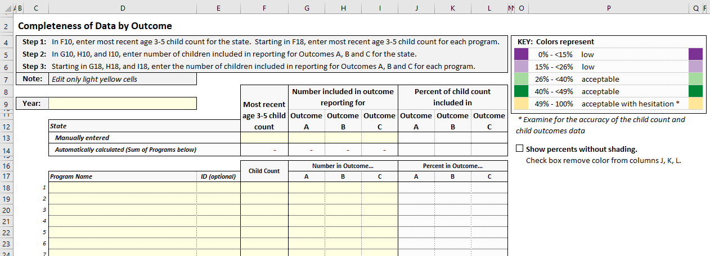
 | Enter Data Worksheet
 | Enter the year for this data (D9).

 | There are two data-entry sections on this worksheet:
 | 1) State-level data: Enter the: - child count (F13) and - number included in each outcome (G13, H13, I13) across the entire state (yellow cells in row 13).

 | 2) LEA-level data: Enter the: - program name (D18 and down); - program ID, optional (E18 and down); - child count (F18 and down); and - number included in each outcome (G18, H18, I18 and down) for each program (yellow cells starting in row 18). Note: The values you enter for each program are summed and included in the state's calculated totals (row 14).

 |  | Note: The dark purple and dark green back ground with white font may not print well. If you would like to print this screen, you can remove the shading by clicking this checkbox.

 | The percent of child count included in each outcome (columns J, K, L) is calculated for each row as long as there is a numerical value entered for: - a child count (denominator, column F) and - a number in outcome (numerator, column G, H, or I). If you do not see a percent calculated, please make sure that you have entered only numerical values.

 | Why is there a way to manually enter a total for the state if the form automatically sums up the LEA data for me?
 | 1) A state may choose to enter only some of its LEAs. The total would be incomplete.
 | 2) A state that expects its total to equal the sum of LEA totals may use this calculator to verify that totals match.

 | Co-developed by ECTA Center and DaSy Center.
 | Retrieved from:
 | http://ectacenter.org/eco/pages/childoutcomes-calc.asp#complete619

