Instructions
State Leadership Benchmarks of Quality: Implementing Evidence-Based Practices Statewide May 2018
version 2.0
March, 2019
Developed by: Myrna Veguilla, MSMS, MPH
Questions/Concerns: veguilla@usf.edu
Click here for data entry tutorial

Instructions
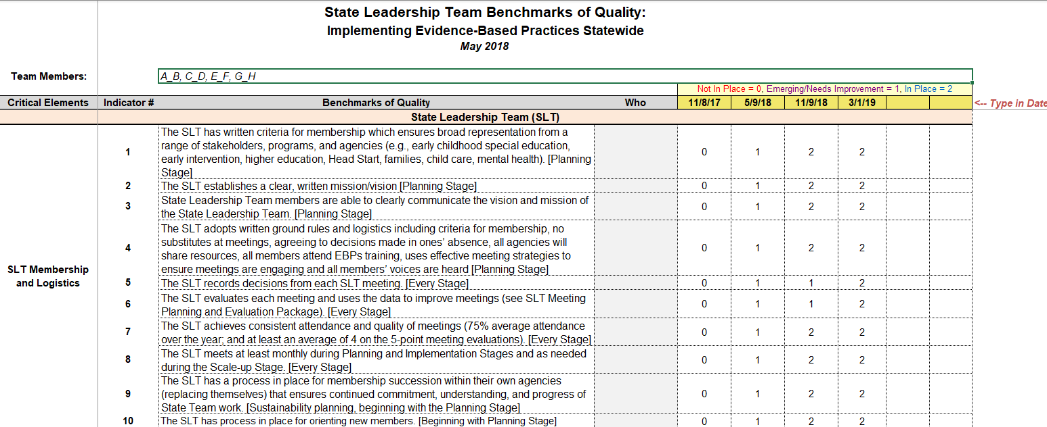

Enter the names of the team members completing the BoQs
Type in the Date of when the BoQ was completed.

Enter a rating of either 0, 1, or 2 for each indicator.

Program Summary
State Leadership Team Benchmarks of Quality
Report Date: | 3/28/19

 | Percent of Indicators Not in Place | 0% | 0% | 0% | 0% | 0% | 0%
 | Percent of Indicators Emerging/Needs Improvement | 0% | 0% | 0% | 0% | 0% | 0%
 | Percent of Indicators In Place | 0% | 0% | 0% | 0% | 0% | 0%

 |  | # of Indicators
 | Critical Elements | Not in Place | Emerging/Needs Improvement | In Place |  | Benchmarks Not In Place:
 | State Leadership Team | 0 | 0 | 0 |  | 1 | 2 | 3 | 4 | 5 | 6 | 7 | 8 | 9 | 10 | 11 | 12
 | Family Engagement | 0 | 0 | 0 |  | 13 | 14 | 15 | 16 | 17 | 18 | 19 | 20 | 21 | 22 | 23 | 24
 | Implementation and Demonstration Programs/Sites | 0 | 0 | 0 |  | 25 | 26 | 27 | 28 | 29 | 30 | 31 | 32 | 33 | 34 | 35 | 36
 | Professional Development | 0 | 0 | 0 |  | 37 | 38 | 39 | 40 | 41 | 42 | 43 | 44 | 45 | 46 | 47 | 48
 | Evaluation/Data-Based Decision-Making | 0 | 0 | 0 |  | 49

 |  | # of Indicators
 | Critical Elements | Not in Place | Emerging/Needs Improvement | In Place |  | Benchmarks Not In Place:
 | State Leadership Team | 0 | 0 | 0 |  | 1 | 2 | 3 | 4 | 5 | 6 | 7 | 8 | 9 | 10 | 11 | 12
 | Family Engagement | 0 | 0 | 0 |  | 13 | 14 | 15 | 16 | 17 | 18 | 19 | 20 | 21 | 22 | 23 | 24
 | Implementation and Demonstration Programs/Sites | 0 | 0 | 0 |  | 25 | 26 | 27 | 28 | 29 | 30 | 31 | 32 | 33 | 34 | 35 | 36
 | Professional Development | 0 | 0 | 0 |  | 37 | 38 | 39 | 40 | 41 | 42 | 43 | 44 | 45 | 46 | 47 | 48
 | Evaluation/Data-Based Decision-Making | 0 | 0 | 0 |  | 49

 |  | # of Indicators
 | Critical Elements | Not in Place | Emerging/Needs Improvement | In Place |  | Benchmarks Not In Place:
 | State Leadership Team | 0 | 0 | 0 |  | 1 | 2 | 3 | 4 | 5 | 6 | 7 | 8 | 9 | 10 | 11 | 12
 | Family Engagement | 0 | 0 | 0 |  | 13 | 14 | 15 | 16 | 17 | 18 | 19 | 20 | 21 | 22 | 23 | 24
 | Implementation and Demonstration Programs/Sites | 0 | 0 | 0 |  | 25 | 26 | 27 | 28 | 29 | 30 | 31 | 32 | 33 | 34 | 35 | 36
 | Professional Development | 0 | 0 | 0 |  | 37 | 38 | 39 | 40 | 41 | 42 | 43 | 44 | 45 | 46 | 47 | 48
 | Evaluation/Data-Based Decision-Making | 0 | 0 | 0 |  | 49

 |  | # of Indicators
 | Critical Elements | Not in Place | Emerging/Needs Improvement | In Place |  | Benchmarks Not In Place:
 | State Leadership Team | 0 | 0 | 0 |  | 1 | 2 | 3 | 4 | 5 | 6 | 7 | 8 | 9 | 10 | 11 | 12
 | Family Engagement | 0 | 0 | 0 |  | 13 | 14 | 15 | 16 | 17 | 18 | 19 | 20 | 21 | 22 | 23 | 24
 | Implementation and Demonstration Programs/Sites | 0 | 0 | 0 |  | 25 | 26 | 27 | 28 | 29 | 30 | 31 | 32 | 33 | 34 | 35 | 36
 | Professional Development | 0 | 0 | 0 |  | 37 | 38 | 39 | 40 | 41 | 42 | 43 | 44 | 45 | 46 | 47 | 48
 | Evaluation/Data-Based Decision-Making | 0 | 0 | 0 |  | 49

 |  | # of Indicators
 | Critical Elements | Not in Place | Emerging/Needs Improvement | In Place |  | Benchmarks Not In Place:
 | State Leadership Team | 0 | 0 | 0 |  | 1 | 2 | 3 | 4 | 5 | 6 | 7 | 8 | 9 | 10 | 11 | 12
 | Family Engagement | 0 | 0 | 0 |  | 13 | 14 | 15 | 16 | 17 | 18 | 19 | 20 | 21 | 22 | 23 | 24
 | Implementation and Demonstration Programs/Sites | 0 | 0 | 0 |  | 25 | 26 | 27 | 28 | 29 | 30 | 31 | 32 | 33 | 34 | 35 | 36
 | Professional Development | 0 | 0 | 0 |  | 37 | 38 | 39 | 40 | 41 | 42 | 43 | 44 | 45 | 46 | 47 | 48
 | Evaluation/Data-Based Decision-Making | 0 | 0 | 0 |  | 49

 |  | # of Indicators
 | Critical Elements | Not in Place | Emerging/Needs Improvement | In Place |  | Benchmarks Not In Place:
 | State Leadership Team | 0 | 0 | 0 |  | 1 | 2 | 3 | 4 | 5 | 6 | 7 | 8 | 9 | 10 | 11 | 12
 | Family Engagement | 0 | 0 | 0 |  | 13 | 14 | 15 | 16 | 17 | 18 | 19 | 20 | 21 | 22 | 23 | 24
 | Implementation and Demonstration Programs/Sites | 0 | 0 | 0 |  | 25 | 26 | 27 | 28 | 29 | 30 | 31 | 32 | 33 | 34 | 35 | 36
 | Professional Development | 0 | 0 | 0 |  | 37 | 38 | 39 | 40 | 41 | 42 | 43 | 44 | 45 | 46 | 47 | 48
 | Evaluation/Data-Based Decision-Making | 0 | 0 | 0 |  | 49

 | myrnaboq

Graph
Report Date: | 3/28/19 |  |  | To Refresh Data, click on the chart and a new tab will appear on the command Ribbon above called "PIVOTCHART TOOLS." Select the "Analyze" tab. Select the down arrow to the "REFRESH" option. Select "REFRESH ALL." Do this each time you enter new data.

Team Members: | 0

State Leadership Team Benchmarks of QualityCritical Elements

 | Dates
Critical Elements
State Leadership Team | 0.00
Family Engagement | 0.00
Implementation and Demonstration Programs/Sites | 0.00
Professional Development | 0.00
Evaluation/Data-Based Decision Making | 0.00

Date | Not In Place | Emerging/Needs Improvement | In Place
 | 0 | 0 | 0
 | 0 | 0 | 0
 | 0 | 0 | 0
 | 0 | 0 | 0
 | 0 | 0 | 0
 | 0 | 0 | 0

State Leadership Team Benchmarks of Quality Sub-Elements

 | Date
Sub-Elements
SLT Membership and Logistics | 0
Action Planning | 0
SLT Coordination and Staffing | 0
SLT Funding | 0
SLT Communication and Visibility | 0
Authority, Priority, and Communication Linkages | 0
Family Participation and Communication | 0
Implementation Programs/Sites | 0
Demonstration Programs/Sites | 0
Implementation Communities | 0
Program Coaches | 0
Ongoing Support and Technical Assistance | 0
Data-Based Decision Making | 0

